3-3
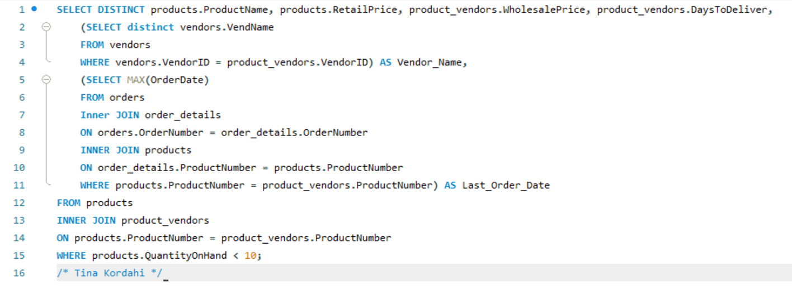
ProductName | RetailPrice | WholesalePrice | DaysToDeliver | Vendor_Name | Last_Order_Date
Trek 9000 Mountain Bike | 1200 | 804 | 6 | ProFormance | 2018-03-01
Trek 9000 Mountain Bike | 1200 | 854.22 | 7 | Lone Star Bike Supply | 2018-03-01
Eagle FS-3 Mountain Bike | 1800 | 1269 | 9 | Big Sky Mountain Bikes | 2018-02-23
Eagle FS-3 Mountain Bike | 1800 | 1477.81 | 7 | Lone Star Bike Supply | 2018-02-23
Viscount Mountain Bike | 635 | 403.22 | 3 | Viscount | 2018-03-01
Viscount Mountain Bike | 635 | 448.73 | 7 | Lone Star Bike Supply | 2018-03-01
GT RTS-2 Mountain Bike | 1650 | 1076.62 | 4 | Nikoma of America | 2018-03-01
GT RTS-2 Mountain Bike | 1650 | 1178.65 | 7 | Lone Star Bike Supply | 2018-03-01
Road Warrior Hitch Pack | 175 | 137.55 | 7 | Big Sky Mountain Bikes | 2018-03-01
Road Warrior Hitch Pack | 175 | 126.44 | 10 | Dog Ear | 2018-03-01
Ultimate Export 2G Car Rack | 180 | 154.87 | 10 | Big Sky Mountain Bikes | 2018-03-01
Ultimate Export 2G Car Rack | 180 | 136.35 | 14 | Lone Star Bike Supply | 2018-03-01

3-4
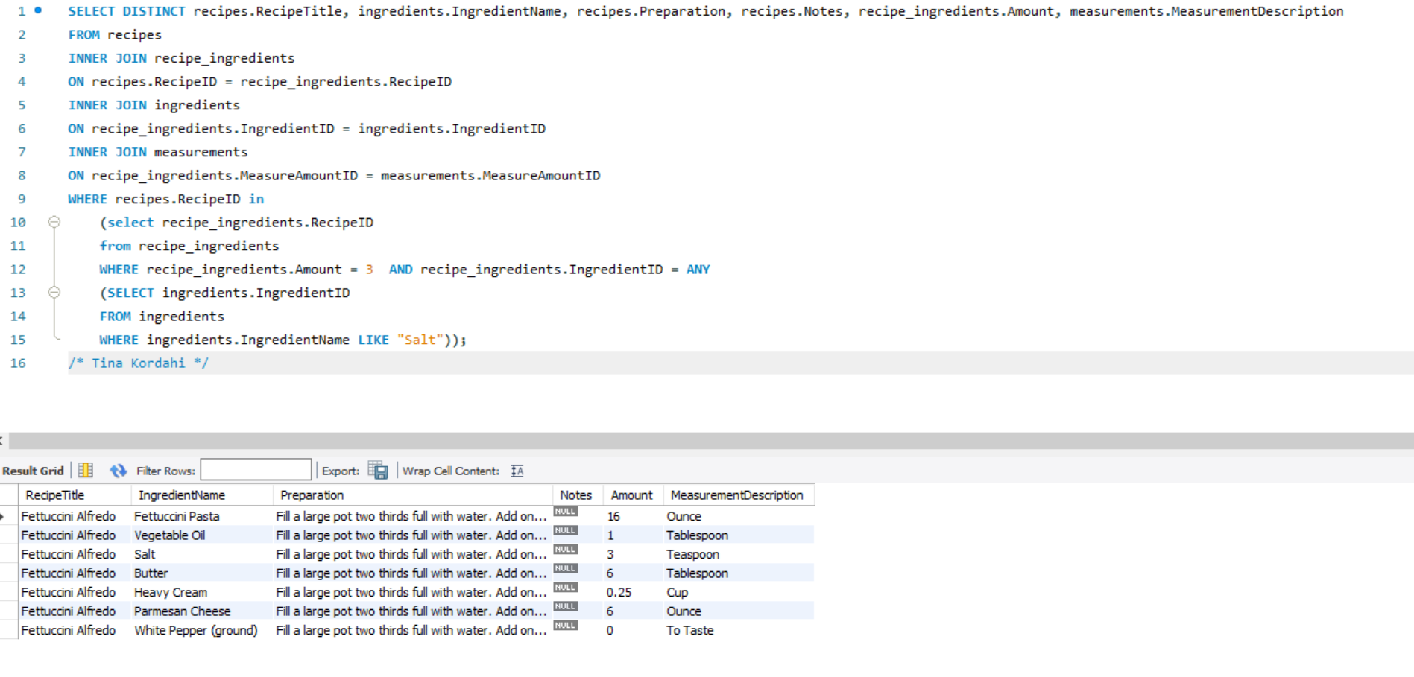
RecipeTitle | IngredientName | Amount | MeasurementDescription
Fettuccini Alfredo | Fettuccini Pasta | 16 | Ounce
Fettuccini Alfredo | Vegetable Oil | 1 | Tablespoon
Fettuccini Alfredo | Salt | 3 | Teaspoon
Fettuccini Alfredo | Butter | 6 | Tablespoon
Fettuccini Alfredo | Heavy Cream | 0.25 | Cup
Fettuccini Alfredo | Parmesan Cheese | 6 | Ounce
Fettuccini Alfredo | White Pepper (ground) | 0 | To Taste

